Generic HV & WD
Generic habitat value and water demand by MP DCM designation.
 |  | Habitat factors (% of area) generated as average of Base Case habitat values for each DCM |  |  |  |  |  | Habitat factors and Water values Copied from John Dickey workbook sheet 'WD_HV_gen'. |  |  |  |  |  | Water duties from Jason Olin (email 04/05/18)
MP_id | Desc | BW | MW | Pl | MS | Md | Water (f/y) | BW | MW | Pl | MS | Md | Water (f/y) |  | Water (f/y)
SFP | Shallow Flood Pond | 0.01 | 0.29 | 0.13 | 0.49 | 0.00 | 3.13 | 0.02 | 0.28 | 0.12 | 0.44 | 0.01 | 4.36 | Shallow Flood Lateral | 2.73 |  | yes
Veg 08 | Managed Vegetation (2008) | 0.17 | 0.05 | 0.02 | 0.24 | 0.36 | 1.01 | 0.17 | 0.05 | 0.02 | 0.24 | 0.36 | 1.35 | Sprinkler Shallow Flood | 2.68 |  | no
Veg 11 | Managed Vegetation (2011) | - | 0.04 | 0.09 | 0.30 | - | 3.18 | 0.02 | 0.02 | 0.03 | 0.12 | 0.00 | 1.49 | Drip Tube Managed Veg | 1.01
ENV | Enhanced Native Vegetation | 0.20 | 0.06 | - | 0.06 | 0.00 | 0.72 | 0.20 | 0.06 | - | 0.06 | 0.00 | 0.72 | Sprinkler Managed Veg | 3.18
SFL | Shallow Flood Lateral | 0.04 | 0.19 | 0.22 | 0.42 | 0.02 | 2.73 | 0.02 | 0.18 | 0.24 | 0.43 | 0.01 | 3.51 | Ponds | 3.13 | Note: "Ponds" and "Habitat Ponds" water duties are considered to be aggregate values for entire DCA.
DWM_Jan | Dynamic Water Management, January start | - | 0.04 | 0.13 | 0.30 | - | 0.98 | - | 0.04 | 0.13 | 0.30 | - | 0.98 | Habitat Ponds | 3.86
DWM_Oct | Dynamic Water Management, October start | - | 0.05 | 0.23 | 0.33 | - | 1.51 | - | 0.05 | 0.23 | 0.33 | - | 1.51 | T16 Habitat Ponds | 5.38 | Note: "T16 Habitat Pond" water duties are considered to be specific to actual pond acreage (and will be adjusted for each HDCM). These will go into the custom sheet for MP steps
DWM_Dec | Dynamic Water Management, December start | - | 0.04 | 0.13 | 0.30 | - | 1.07 | - | 0.04 | 0.13 | 0.30 | - | 1.07
BWF | Breeding Waterfowl | 0.53 | 0.61 | 0.12 | 0.48 | - | 3.86 | 0.53 | 0.61 | 0.12 | 0.48 | - | 4.1
MWF | Migrating Waterfowl | - | 0.76 | 0.15 | 0.57 | - | 3.86 | - | 0.76 | 0.15 | 0.57 | - | 4.71
SNPL_realistic | Snowy Plover | - | 0.27 | 0.54 | 0.56 | - | 3.86 | - | 0.27 | 0.54 | 0.56 | - | 3.46
SNPL_with gravel | Snowy Plover w/ Gravel | - | 0.08 | 0.52 | 0.55 | - | 3.86 | - | 0.08 | 0.52 | 0.55 | - | 3.46
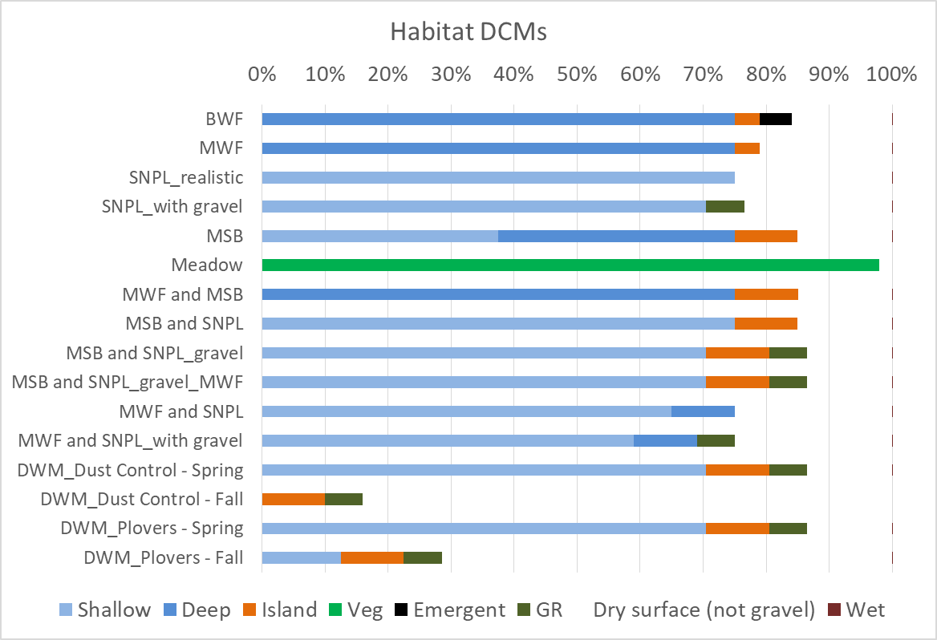
MSB | Migrating Shorebirds | - | 0.35 | 0.39 | 0.89 | - | 3.86 | - | 0.35 | 0.39 | 0.89 | - | 4.71
Meadow | Meadow | 0.15 | 0.02 | - | - | 0.97 | 1.49 | 0.15 | 0.02 | - | - | 0.97 | 1.49
MWF and MSB | Migrating Waterfowl & Migrating Shorebirds | - | 0.76 | 0.16 | 0.73 | - | 3.86 | - | 0.76 | 0.16 | 0.73 | - | 4.71
MSB and SNPL | Migrating Shorebirds & Snowy Plover | - | 0.12 | 0.54 | 0.89 | - | 3.86 | - | 0.12 | 0.54 | 0.89 | - | 4.71
MSB and SNPL_gravel | Migrating Shorebirds & Snowy Plover w/ Gravel | - | 0.11 | 0.52 | 0.87 | - | 3.86 | - | 0.11 | 0.52 | 0.87 | - | 4.71
MSB and SNPL_gravel_MWF | Migrating Shorebirds & Snowy Plover w/ Gravel & Migrating Waterfowl | - | 0.38 | 0.52 | 0.87 | - | 3.86 | - | 0.38 | 0.52 | 0.87 | - | 4.71
MWF and SNPL | Migrating Waterfowl & Snowy Plover | - | 0.37 | 0.50 | 0.63 | - | 3.86 | - | 0.37 | 0.50 | 0.63 | - | 4.71
MWF and SNPL_with gravel | Migrating Waterfowl & Snowy Plover w/ Gravel | - | 0.35 | 0.57 | 0.61 | - | 3.86 | - | 0.35 | 0.57 | 0.61 | - | 4.71
DWM_Dust Control | Dynamic Water Management, January start | - | 0.04 | 0.13 | 0.30 | - | 0.98 | - | 0.04 | 0.13 | 0.30 | - | 0.98
DWM_Plovers | Dynamic Water Management, January start & Snowy Plover | - | 0.05 | 0.36 | 0.39 | - | 3.59 | - | 0.05 | 0.36 | 0.39 | - | 3.59
DWM_Spring_only | Dynamic Water Management, October start | - | 0.05 | 0.23 | 0.33 | - | 1.51 | - | 0.05 | 0.23 | 0.33 | - | 1.51
SFLS | Shallow Flood Sprinklers | 0.02 | 0.18 | 0.24 | 0.43 | 0.01 | 2.68 | 0.02 | 0.18 | 0.24 | 0.43 | 0.01 | 3
Gravel | Gravel | - | - | - | - | - | 0 | - | - | - | - | - | 0
Tillage | Tillage | - | - | - | - | - | 0 | - | - | - | - | - | 0
Till-Brine | Till-Brine | - | - | - | - | - | 0 | - | - | - | - | - | 0
Sand Fences | Sand Fences | - | - | - | - | - | 0 | - | 0.05 | 0.15 | 0.33 | 0.02 | 0
Brine | Brine | - | - | - | - | - | 0 | - | - | - | 0.05 | - | 0
Breeding Waterfowl & Meadow | Breeding Waterfowl & Meadow | 0.35 | 0.17 | 0.05 | 0.24 | 0.38 | 3.51 | 0.35 | 0.17 | 0.05 | 0.24 | 0.38 | 3.51
None | None | 0.02 | 0.01 | 0.02 | 0.12 | 0.02 | 0 | 0 | 0 | 0 | 0 | 0 | 0

Note: in general case, waterless DCMs have no habitat value. In a few specific instances in Base case, some DCAs under waterless DCMs had habitat (see "Custom HV and WD" sheet).

